Sheet1
Pre-Registration（June 6th 9:00～23:59）

How to Pre-Registration
1. Download this Pre-Registration form(Microsoft Excel file(.xlsx)).

2. Set the file name
 | "[Student No.]_[Name]_App for Degree(Pre).xlsx".
 | （Example）450R201234_Meiji Ichiro_App for Degree(Pre).xlsx

3. Fill out the following page "Application for Degree(For Pre-Registration )."
※Yellow cells must be filled. Do not delete this page.

4. Submit this form to your supervisor and report that you will pre-register
 | with the contents described.

5. Check the box below AFTER the permission of your supervisor.
----------------------------------------------------------------------------
 |  |  | I got confirmation from my supervisor about the pre-registration.
----------------------------------------------------------------------------

6. Log in to Oh-o!Meiji and move to Group of "【I-AUD】Master's Thesis
 | Submissions". Click the "Submit Item" button and upload this EXCEL data.
 | Click "Submit" after uploading the data. → Submission is completed.
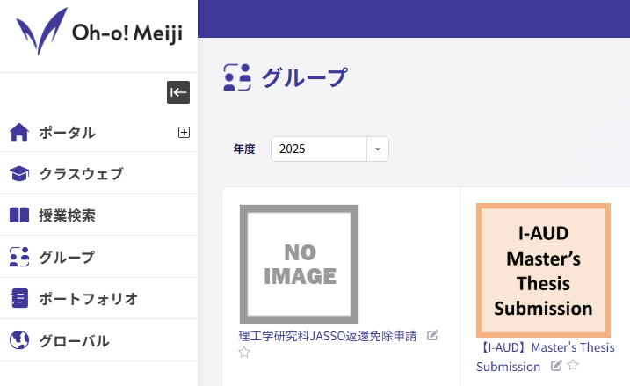

学位請求書（予備登録用） / Application for Degree (For Pre-Registration )

 |  |  |  |  |  |  |  |  | Date |  |  | 年 |  | 月 |  | 日
 | 明治大学大学院 |  |  |  |  |  |  |  |  | Year |  |  | Month |  | Day
 | 理工学研究科長 殿
 | To Dean of the Graduate School of Science and Technology, Meiji University
理工学研究科 |  |  |  |  |  |  |  |  |  | 建築・都市学専攻
 |  |  |  |  |  |  |  | （ | 国際建築都市デザイン |  |  |  |  |  | 系）
 | Graduate School of Science and Technology Architecture and Urbanism Program International Program in Architecture and Urban Design
 |  |  |  |  |  |  |  | 氏名 Name
 |  |  |  |  |  |  |  | Date of Birth |  |  | 年 |  | 月 |  | 日生
 |  |  |  |  |  |  |  |  | Year |  |  | Month |  | Day
 | 明治大学学位規程第５条の規定に基づき、修士（ |  |  |  |  |  |  |  | 建築学(Architecture) |  |  |  |  |  |  | )
 | の学位を請求いたします。 |  |  |  |  | Under the provision of Article 5 of Degree Regulation in Meiji
 |  | University, I am applying for the degree of Master of ( |  |  |  |  | 建築学(Architecture) |  |  |  | ).
 | 論文題名 Title
 | 指導教員名 Supervisor
 | 入学年度 Year of Entrance |  |  |  |  |  |  |  |  |  |  | 年 度 Academic Year
 | 学生番号 Student ID Number
 | 本籍／国籍 Domicile/Nationality
 | 現住所 Residence Address |  |  |  | 〒

 |  | （注） |  | 「本籍／国籍」欄には、日本国籍の者は本籍地の都道府県名を、日本国籍以外の者は国籍を、 それぞれ記入すること。 Non-Japanese Students shall fill out their nationality in the column of "Domicile/Nationality."

